Sheet1
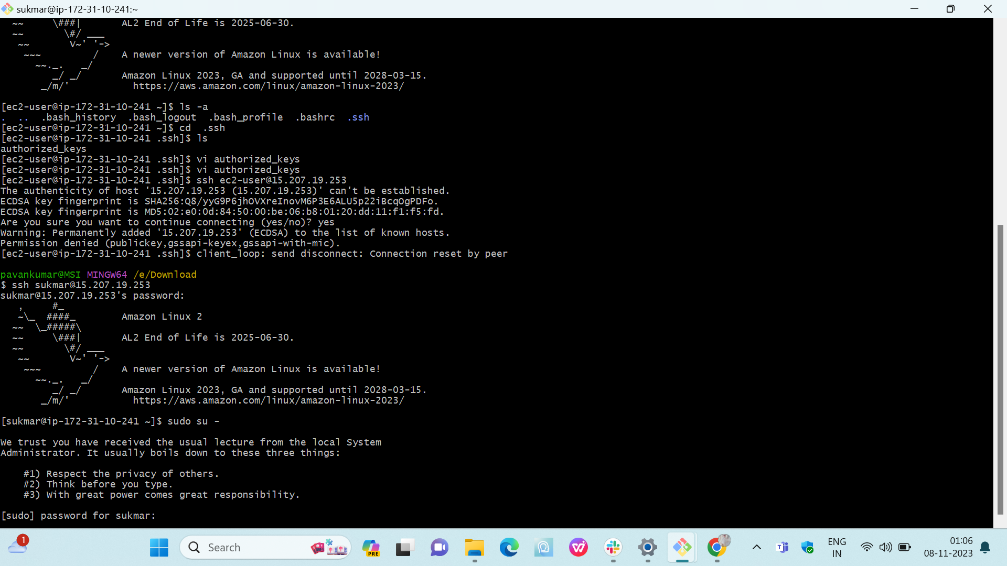
Create one VPC

Create two subnets, 1 public and 1 private

 | Launch two ec2 one in public subnet and one in pri subnet and test the connections.

 | Create two RT, one public and one private.Attach publicRT to pub subnet and private RT to Pri subnet.

 |  | Attached IGW to VPC

 |  |  | Peering connection

 |  | Setup bastion/Jump server and connect to private ec2.

 |  | Password authencation

